Utility Allowance Energy Eff
ENERGY EFFICIENCY Utility Allowance Schedule - Housing Authority of County of San Diego
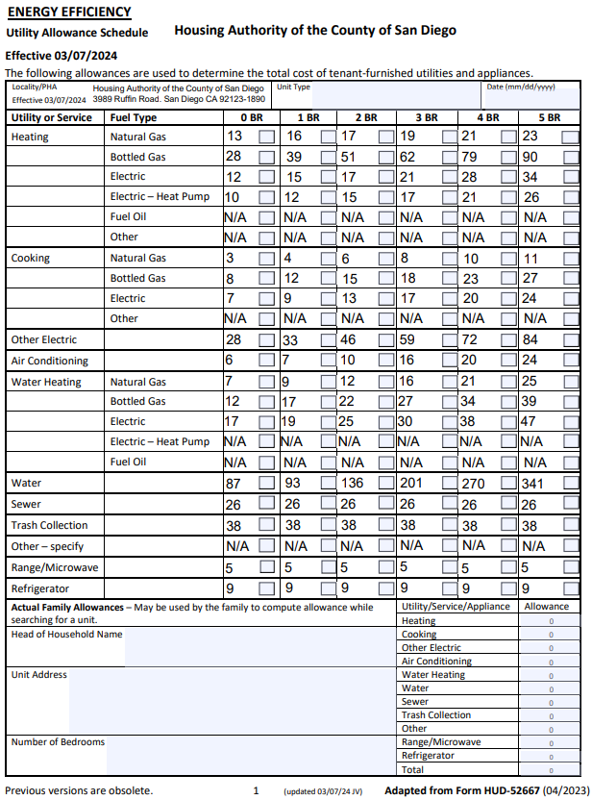

Utility Allowance OCEANSIDE
Utility Allowance Schedule - Oceanside


  

